DCFs & FS
 |  | 2022 | 2023 | 2024 | 2025 | 2026 | TV |  |  |  | BS | 2022 | 2023 | 2024 | 2025 | 2026 | TV
ROICt = NOPLATt / ICt boy | ROIC | 11.00% | 0.00% | 0.00% | 0.00% | 0.00% | 0.00% |  |  |  | IC boy | 20,000.0 | 21,320.0 | 22,525.6 | 23,576.9 | 24,428.4 | 25,184.9 | 26,523.0
RONICt = (NOPLATt - NOPLATt-1)/ dICt-1 | RONIC | 0.00% | 16.00% | 18.00% | 20.00% | 22.00% | 11.64% | 11.64% |  |  | Debt boy | - | 4,264.0 | 9,010.2 | 11,788.4 | 12,214.2 | 13,381.2 | 14,050.3
Kt = dICt / NOPLATt | K | 60.00% | 50.00% | 40.00% | 30.00% | 25.00% | 42.97% | 42.97% |  |  | Equity boy | 20,000.0 | 17,056.0 | 13,515.4 | 11,788.4 | 12,214.2 | 11,803.6 | 12,472.7
 | rA | 12.00% | 12.00% | 12.00% | 12.00% | 12.00% | 12.00% | 12.00% |  |  | P/L | 2022 | 2023 | 2024 | 2025 | 2026 | TV
 | rD | 6.00% | 7.00% | 7.20% | 7.30% | 7.30% | 7.30% |  |  |  | EBIT=Noplat/(1-t) | 2,444.4 | 2,679.1 | 2,920.2 | 3,153.8 | 3,362.0 | 3,459.8 | 3,269.5
t (effective) | t | 10.00% | 10.00% | 10.00% | 10.00% | 10.00% | 10.00% |  |  |  | Interest payment | - | 298.48 | 648.74 | 860.56 | 891.64 | 976.83 | -
 | D/V | 0% | 19% | 38% | 47% | 47% | 50% | 50% |  |  | Profit before tax | 2,444.4 | 2,380.6 | 2,271.5 | 2,293.3 | 2,470.4 | 2,483.0 | 3,269.5
gt = (NOPLATt - NOPLATt-1)/NOPLATt-1 | g | 0% | 0% | 0% | 0% | 0% | 5% | 5% |  |  | Corporate tax | 244.4 | 238.1 | 227.1 | 229.3 | 247.0 | 248.3 | -
 | D/IC | 0.00% | 20.00% | 40.00% | 50.00% | 50.00% |  |  |  |  | Profit after tax | 2,200.0 | 2,142.6 | 2,044.3 | 2,064.0 | 2,223.3 | 2,234.7 | 3,269.5
 | FCFF | 2022 | 2023 | 2024 | 2025 | 2026 | TV |  |  |  | Dividend | 2,200.0 | 2,142.6 | 2,044.3 | 1,638.2 | 2,223.3 | 1,565.6
 | FCFF | 880 | 1,206 | 1,577 | 1,987 | 2,269 | 1,776 | 1,864 |  |  | RE | - | - | - | 425.8 | - | 669.1
 | WACC | 12.00% | 11.87% | 11.73% | 11.66% | 11.66% | 11.64% | 11.64% |  |  | d Equity required | (2,944.0) | (3,540.6) | (1,726.9) | 425.8 | (410.6) | 669.1
 | V boy | 20,781 | 22,394 | 23,846 | 25,066 | 26,001 | 26,762 | 28,101 |  |  | Issue/buyback of equity | (2,944.0) | (3,540.6) | (1,726.9) | - | (410.6) | -
 | APV | 2022 | 2023 | 2024 | 2025 | 2026 | TV |  |  |  | Div payoff ratio | 100.0% | 100.0% | 100.0% | 79.4% | 100.0% | 70.1%
 | FCFF+TS | 880 | 1,235 | 1,642 | 2,073 | 2,359 | 1,873 |  |  |  | effective tax rate | 10.00% | 10.00% | 10.00% | 10.00% | 10.00% | 10.00% | 0.00%
 | rA | 12.00% | 12.00% | 12.00% | 12.00% | 12.00% | 12.00% | 12.00% |  |  | CF | 2022 | 2023 | 2024 | 2025 | 2026 | TV
 | V boy | 20,781 | 22,394 | 23,846 | 25,066 | 26,001 | 26,762 | 0 |  |  | Noplat | 2,200.0 | 2,411.2 | 2,628.2 | 2,838.5 | 3,025.8 | 3,113.8 | 3,269.5
 | FCFE | 2022 | 2023 | 2024 | 2025 | 2026 | TV |  | d IC = Kt * NOPLATt |  | d IC | 1,320.0 | 1,205.6 | 1,051.3 | 851.5 | 756.5 | 1338.1247786 | 1,405.0
 | FCFE | 5,144 | 5,683 | 3,771 | 1,638 | 2,634 | 1,566 |  |  |  | FCFF | 880.00 | 1,205.6 | 1,576.9 | 1,986.9 | 2,269.4 | 1,775.7 | 1,864.5
 | rE=(rA-D/V*rD)/(1-D/V) | 12.00% | 13.18% | 14.92% | 16.17% | 16.16% | 16.70% |  |  |  | Interest payment | - | (298.48) | (648.74) | (860.56) | (891.64) | (976.83) | - | Instead of change in IC | sign | Noplat for TV is also
 | E boy | 20,781 | 18,130 | 14,836 | 13,278 | 13,787 | 13,381 |  |  |  | Tax shield | 0.00 | 29.85 | 64.87 | 86.06 | 89.16 | 97.68 | 0.00 | dInv | - | NOPLATt+( -dICt)*WACC TV
 | Debt boy | 0 | 4,264 | 9,010 | 11,788 | 12,214 | 13,381 |  |  |  | d Debt | 4,264.00 | 4,746.24 | 2,778.20 | 425.77 | 1,167.04 | 669.06 |  | dRec | -
 | V boy | 20,781 | 22,394 | 23,846 | 25,066 | 26,001 | 26,762 |  |  |  | FCFE | 5,144.00 | 5,683.21 | 3,771.26 | 1,638.19 | 2,633.92 | 1,565.61 |  | dCash | -
 | EVA | 2022 | 2023 | 2024 | 2025 | 2026 | TV |  |  |  | Dividend | -2,200.00 | -2,142.57 | -2,044.34 | -1,638.19 | -2,223.33 | -1,565.61 |  | dPay | +
 | Noplat | 2,200 | 2,411 | 2,628 | 2,838 | 3,026 | 3,114 | 3,270 |  |  | d E-RE | -2,944.00 | -3,540.64 | -1,726.92 | 0.00 | -410.59 | 0.00 |  | dPPE | -
 | IC boy | 20,000 | 21,320 | 22,526 | 23,577 | 24,428 | 25,185 | 26,523 |  |  | d Non operational wealth | 0.00 | 0.00 | 0.00 | 0.00 | 0.00 | 0.00
 | IC*WACC | 2,400 | 2,530 | 2,642 | 2,748 | 2,848 | 2,930 | 3,086 |  |  |  |  |  |  |  |  |  |  | Noplat | Noplat | Noplat | Noplat
$${EVA}_{TV}=\left(\frac{EVA_{T+1}}{WACC}+\frac{{∆IC}_{T+1}∗(RONIC−WACC)}{WACC∗(WACC−g)}\right)$$
 | EVA | -200 | -119 | -14 | 90 | 178 | 184 | 184 |  |  |  |  |  |  |  |  |  |  | +D&A
 | PV EVA | 781 | 1,074 | 1,321 | 1,489 | 1,572 | 1,578 | 1,578 |  | Assumptions for const WACC |  |  |  | If ROIC >> WACC => economic long-term profit and g generates value |  |  |  |  | -dWC | -dWC
 | V boy | 20,781 | 22,394 | 23,846 | 25,066 | 26,001 | 26,762 | 28,101 |  | Leverage (financing policy) unchanged |  |  |  | If rF>gGDP |  |  |  |  | CF operation |  | -dIC | Noplat*K
Only TVs of EVA/RI show what part of V would be generated during TV period | RI | 2022 | 2023 | 2024 | 2025 | 2026 | TV |  |  | Interest level (macroeconomy) unchanged |  |  |  | WACC>rD>rF>gGDP>=gfirm |  |  |  |  | -D&A
 | Profit after tax | 2,200 | 2,143 | 2,044 | 2,064 | 2,223 | 2,235 |  |  | Risk premiums (industry and corporate risks) unchanged |  |  |  | If WACC < gfirm | this is not the long-term stable status yet |  |  |  | -dPP&E | -dPP&E
 | Equity boy | 20,000 | 17,056 | 13,515 | 11,788 | 12,214 | 11,804 |  |  | Marginal tax rate (politics) unchanged |  |  |  | ROIC high? |  |  |  |  | CF investment
 | BV E * rE | 2,400 | 2,247 | 2,016 | 1,907 | 1,974 | 1,971 |  |  | If WACC is const |  |  |  | Premium price |  |  |  |  | FCFF | FCFF | FCFF | FCFF
 | RI | -200 | -105 |  | 157 | 249 | 263 |  |  | Leverage is stable and already optimal |  |  |  | Lower unit costs
 | PV RI | #VALUE! | #VALUE! | #VALUE! | 1,489 | 1,572 | 1,578 |  |  | No competetive advantage |  |  |  | More efficient capital management
 | E boy | #VALUE! | #VALUE! | #VALUE! | 13,278 | 13,787 | 13,381 |  |  | Industry and regulations are unchanged |  |  |  | If BV D=Market D, the we can use WACC=D/V*rD*(1-t)+E/V*rE
 | Debt boy | 0 | 4,264 | 9,010 | 11,788 | 12,214 | 13,381 |  |  |  |  |  |  | Noplat t*K t*RONIC t+1=dNoplat t+1=g*Noplat t
 | V boy | #VALUE! | #VALUE! | #VALUE! | 25,066 | 26,001 | 26,762 |  |  | Possible mthods of rD calculation: |  |  |  | K t*RONIC t+1=g t+1
 |  |  |  |  |  |  |  |  |  | Historical risk premiums
 | Method | To discount | Discount rate | Notes | The length of the explicit period should have no value effect. We should extend the explicit period at least until all inputs reach their stable level. |  |  |  |  | Credit rating premiums
 | Total firm DCF | FCFF | WACC | Useful for multiple business units and set D/V ratio firms |  |  |  |  |  | CAPM and debt beta
 | Economic profit | EVA / RI | WACC / rE | Shows when the value will be created.
 | APV | FCFF and tax shield (TS) | Operative cost of capital (rA) | Separates the effect of financing, handy for M&As. | Even in case of RONIC=WACC it is not the same what is the ROIC at the beginning of the TV. If ROIC>>WACC, there will be an economic profit generated for very long time.
 | Direct equity valuation | FCFE | Required rate on equity(rE) | Detailed, hectic financial plan available, bottom- up CF, financial service industry

CF and Ratios
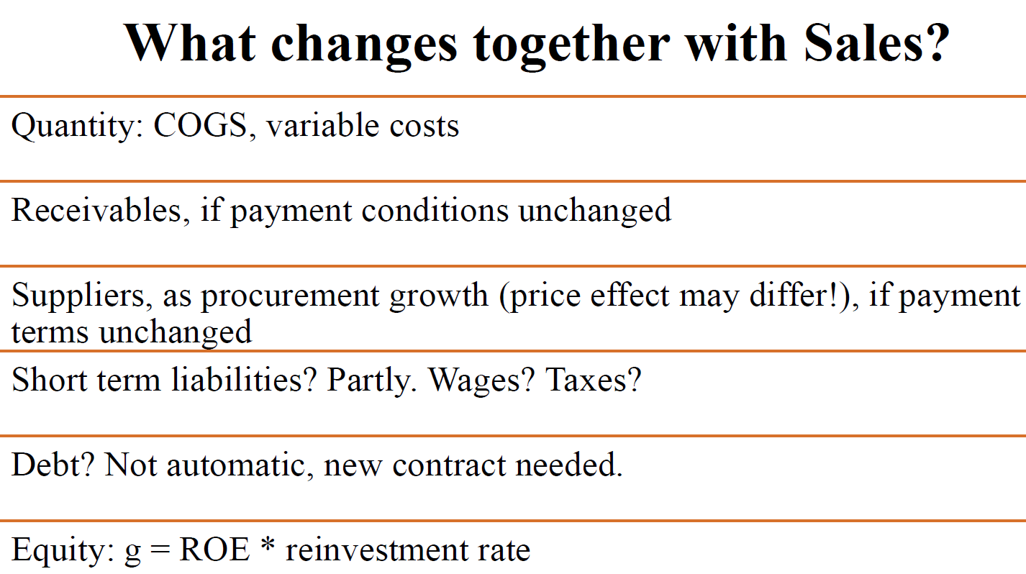
 | 2020 | 2021 | 2022 | CF | 2021 | 2022 |  | 2020 | 2021 | 2022
Sales | 12,000.00 | 13,200.00 | 14,256.00 | Noplat | 824.3 | 874.2 | Inflation | 3% | 12.00% | 6.00% |  | CF | Accounting | Business
Other income | 0.00 | 396.00 | 712.80 | D&A | 150.0 | 180.0 | Effective tax rate | 8.85% | 9.01% | 8.99% |  | Application | Historical analysis, checking calculations | Predicting, supporting business decisions
Material expenses | 7,680.00 | 8,580.00 | 9,408.96 | d Inventory | (620.8) | 102.6 | Growth of sales |  | 10.00% | 8.00% |  | Explained quantity | Change in cash | Change in non- operational wealth
Labour expenses | 3,840.00 | 3,960.00 | 4,419.36 | d AR | (433.3) | (375.5) | Receivables turnover days | 9.00 | 20.00 | 28.00 |  | Breakdown | Ordinary / Investment / Financial | Operational / Investment / Financing
D&A | 250.00 | 150.00 | 180.00 | d Cash | 524.8 | 72.2 | Payables turnover days | 9.38 | 6.84 | 11.57 |  | Aim | Checking on change in cash | Quantifying sub-totals (FCFF, FCFE)
EBIT | 230.00 | 906.00 | 960.48 | d AP | (61.7) | 206.0 | Inventory turnover days | 11.72 | 36.54 | 29.39
Dividend received | 100.00 | 0.00 | 120.00 | dDebt short | (50.0) | (150.0) | Leverage | 39% | 30% | 11%
Interests received | 10.00 | 0.00 | 50.00 | WC | (491.0) | 35.3 | ROE | 18.54% | 36.97% | 36.55%
Interests paid | 80.00 | 85.00 | 40.00 | Operating CF | (191.5) | 837.3 | D/E | 86.07% | 53.86% | 31.09%
Financial profit | 30.00 | -85.00 | 130.00 | d Invested Assets | (200.0) | (300.0) | ROC | 16% | 32% | 27%
Profit before tax | 260.00 | 821.00 | 1,090.48 | D&A | (150.0) | (180.0) | g Equity | 10.72% | 36.97% | 32.13% | with divedend paid
Corporate tax | 23.00 | 74.00 | 98.00 | d Marketable Securities | (1.6) | 50.0
Profit after tax | 237.00 | 747.00 | 992.48 | Investing CF | (351.6) | (430.0)
Dividend | 30.00 | 164.20 | 297.71 | FCFF | (18.3) | 479.5 | Direct material | 5640.00 | 6072.00 | 6842.88
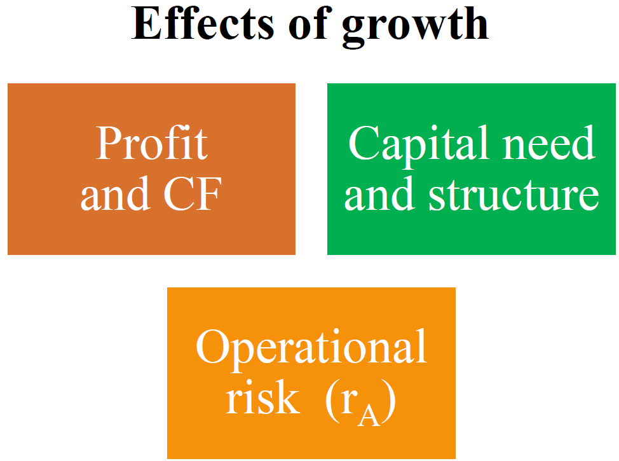
Retained earnings | 207.00 | 582.80 | 694.77 | Interest payment | (85.0) | (40.0) | Direct Labour | 2160.00 | 2376.00 | 2566.08
 |  |  |  | Tax shield | 7.7 | 3.6
Cash | 779.60 | 254.77 | 182.54 | dDebt long | 100.0 | (300.0) | Sum | 10000 | 13000 | more
Marketable securities | 48.40 | 50.00 | 0.00 | Dividends Received | - | 120.0 | Direct material,% | 48% | 47% | 46%
Receivables | 300.00 | 733.33 | 1,108.80 | Tax on Dividends | - | (10.8) | Sum | 10000 | 11000 | more
Inventory | 250.00 | 870.83 | 768.24 | Interest Received | - | 50.0 | Direct labour,% | 20% | 19% | 18%
Current assets | 1,378.00 | 1,908.93 | 2,059.58 | Tax on Interest Income | - | (4.5)
Invested assets | 1,000.00 | 1,200.00 | 1,500.00 | FCFD | 22.7 | (181.7) | rf real | 1.00%
Total of assests | 2,378.00 | 3,108.93 | 3,559.58 | FCFE | 4.4 | 297.8 | rD-rf | 2.00%
Short term loans | 300.00 | 250.00 | 100.00 | Dividend | (164.2) | (297.7) | rM-rf | 7.00%
Payables | 300.00 | 238.33 | 444.31 | dEquity-Retained earnings | 159.8 | (0.1) | bA | 0.85
Short term liabilities | 600.00 | 488.33 | 544.31 | Financing CF | 18.3 | (479.5) | ra | 6.95%
Long term debt | 500.00 | 600.00 | 300.00 | Net cash and cash equivalent | (524.8) | (72.2) | rf norminal | 4.03%
Equity | 1,278.00 | 2,020.60 | 2,715.27 | ∆ NON- Operating Wealth | - | - | rD | 4.03%
Total of Liabilities and Equity | 2,378.00 | 3,108.93 | 3,559.58 | CHECK | - | 0.0

effective tax rate | 8.8% | 9.0% | 9.0%

Value drivers
 | 2022 | 2023 | 2024 | 2025 | 2026
Sales | 120000 | 120000 | 140000 | 160000 | 180000 |  | Quantities liked directly to shareholder value creation, representing both operation and financing covering the long term growth potential. Valuation interpretation: Financial quantities used to describe the FP.
EBIT/Sales | -5% | 5% | 10% | 15% | 18% |  | NOPLAT = Net Operating Profit Less Adjusted Taxes ==> g = annual growth rate of Noplat = (NOPLATt+1 – NOPLATt) / NOPLATt IC = Invested Capital ==> dIC = annual change of IC, Capital reinvested into the operation = dICt = ICt+1 – ICt K = reinvestment rate, the theoretical proportion of NOPLAT reinveested into the operation ==> Kt = dICt / NOPLATt ROIC = Return on Invested Capital ==> ROICt = NOPLATt / ICt-1 RONIC = Return on Newly Invested Capital, (assuming the ROIC of the old project be unchanged) ==> RONICt = dNOPLATt / dICt-1
Invested assets at the beginning of the year | 50000 | 60000 | 65000 | 63000 | 43000
Inventory at the beginning of the year | 10000 | 20000 | 25000 | 40000 | 50000
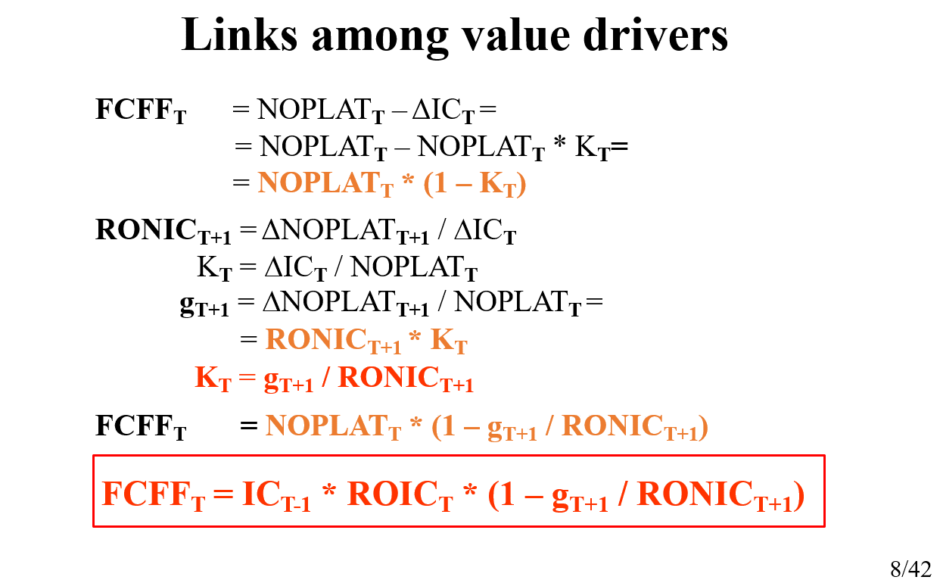
Payables at the beginning of the year | 0 | 10000 | 20000 | 30000 | 40000
Turnover days of Receivables (end of year) | 30 | 33 | 36 | 45 | 0
Operative cash need at the beginning of the year (Percentage of Sales %) | 5% | 4% | 3% | 2% | 2%
Effective tax rate | 10% | 10% | 10% | 10% | 10%
Debt/Invested capital at the start of the year | 50% | 50% | 50% | 50% | 50%
Interest on debt | 5% | 5% | 5% | 5% | 5%

P/L | 2022 | 2023 | 2024 | 2025 | 2026 |  | BS | 2021 | 2022 | 2023 | 2024 | 2025 | 2026 | Cash Flow Statement | 2022 | 2023 | 2024 | 2025 | 2026
Sales | 120,000.00 | 120,000.00 | 140,000.00 | 160,000.00 | 180,000.00 |  | Assets | 66,000.00 | 94,800.00 | 105,200.00 | 120,200.00 | 116,600.00 | 0.00 | Cash Flow from Operations
Other Income | - |  |  |  | 93,000.00 |  | Invested assets | 50,000.00 | 60,000.00 | 65,000.00 | 63,000.00 | 43,000.00 | 0.00 | EBIT | -6,000.00 | 6,000.00 | 14,000.00 | 24,000.00 | 32,400.00
Other Expenses |  |  |  |  | 93,000.00 |  | Inventory assets | 10,000.00 | 20,000.00 | 25,000.00 | 40,000.00 | 50,000.00 | 0.00 | Tax on EBIT | 0.00 | 600.00 | 1,400.00 | 2,400.00 | 3,240.00
EBIT | -6,000.00 | 6,000.00 | 14,000.00 | 24,000.00 | 32,400.00 |  | Receivables average | 0 | 10,000.00 | 11,000.00 | 14,000.00 | 20,000.00 | 0.00 | NOPLAT | -6,000.00 | 5,400.00 | 12,600.00 | 21,600.00 | 29,160.00
Interest payment | 1,650.00 | 2,120.00 | 2,130.00 | 2,255.00 | 1,915.00 |  | Cash | 6,000.00 | 4,800.00 | 4,200.00 | 3,200.00 | 3,600.00 | 0.00 | Decrease in cash | 1,200.00 | 600.00 | 1,000.00 | -400.00 | 3,600.00
Profit before tax | -7,650.00 | 3,880.00 | 11,870.00 | 21,745.00 | 30,485.00 |  | Equity&Liability | 66,000.00 | 94,800.00 | 105,200.00 | 120,200.00 | 116,600.00 | 0.00 | Increase in inventory | -10,000.00 | -5,000.00 | -15,000.00 | -10,000.00 | 50,000.00
Corporate tax | 0.00 | 388.00 | 1,187.00 | 2,174.50 | 3,048.50 |  | Payables | 0.00 | 10,000.00 | 20,000.00 | 30,000.00 | 40,000.00 | 0.00 | Increase in accounts payable | 10000 | 10000 | 10000 | 10000 | -40000
Profit after tax | -7,650.00 | 3,492.00 | 10,683.00 | 19,570.50 | 27,436.50 |  | Debt | 33,000.00 | 42,400.00 | 42,600.00 | 45,100.00 | 38,300.00 | 0.00 | Increase in receivables | -10,000.00 | -1,000.00 | -3,000.00 | -6,000.00 | 20,000.00
Dividends | 0.00 | 3,292.00 | 8,183.00 | 19,570.50 | 27,436.50 |  | Equity | 33,000.00 | 42,400.00 | 42,600.00 | 45,100.00 | 38,300.00 | 0.00 | Net cash flow from operations | -14,800.00 | 10,000.00 | 5,600.00 | 15,200.00 | 62,760.00
Retained earnings | -7,650.00 | 200.00 | 2,500.00 | 0.00 | 0.00 |  |  |  | 2022 | 2023 | 2024 | 2025 | 2026 | Cash Flow from Investing
 |  |  |  |  |  |  | Required extra amount of equity |  | 9,400.00 | 200.00 | 2,500.00 | -6,800.00 | -38,300.00 | Equipment | -10,000.00 | -5,000.00 | 2,000.00 | 20,000.00 | 43,000.00
 |  |  |  |  |  |  | Equity issue/repurchase |  | 17,050.00 | 0.00 | 0.00 | -6,800.00 | -38,300.00 | Net cash flow from investing | -10,000.00 | -5000 | 2000 | 20000 | 43000
 |  |  |  |  |  |  | Effective tax rate |  | 0.00% | 10.00% | 10.00% | 10.00% | 10.00% | FCFF | -24,800.00 | 5,000.00 | 7,600.00 | 35,200.00 | 105,760.00
 |  |  |  |  |  |  |  |  |  |  |  |  |  | Cash Flow from Finacing
 |  |  |  |  |  |  |  |  |  |  |  |  |  | Interest payment | -1,650.00 | -2,120.00 | -2,130.00 | -2,255.00 | -1,915.00
 |  |  |  |  |  |  |  |  |  |  |  |  |  | Tax shield | 0.00 | 212.00 | 213.00 | 225.50 | 191.50
Value drivers | 2021 | 2022 | 2023 | 2024 | 2025 | 2026 | 2027 |  |  |  |  |  |  | Increase in debt | 9,400.00 | 200.00 | 2,500.00 | -6,800.00 | -38,300.00
IC | 66,000.00 | 84,800.00 | 85,200.00 | 90,200.00 | 76,600.00 | 0.00 | 0.00 |  |  |  |  |  |  | Net cash flow from financing | 7,750.00 | -1,708.00 | 583.00 | -8,829.50 | -40,023.50
Change in IC | -66,000.00 | -18,800.00 | -400.00 | -5,000.00 | 13,600.00 | 76,600.00 | 0.00 |  |  |  |  |  |  | FCFE | -17,050.00 | 3,292.00 | 8,183.00 | 26,370.50 | 65,736.50
NOPLAT | 0.00 | -6,000.00 | 5,400.00 | 12,600.00 | 21,600.00 | 29,160.00 | 0.00 |  |  |  |  |  |  | Dividends paid | 0.00 | -3,292.00 | -8,183.00 | -19,570.50 | -27,436.50
Increase in NOPLAT |  | -6,000.00 | 11,400.00 | 7,200.00 | 9,000.00 | 7,560.00 | -29,160.00 |  |  |  |  |  |  | Increase in equity - Retained Earnings | 17,050.00 | 0.00 | 0.00 | -6,800.00 | -38,300.00
g NOPLAT |  |  | -190.00% | 133.33% | 71.43% | 35.00% | -100.00% |  |  |  |  |  |  | dNon operational wealth | 0.00 | 0.00 | 0.00 | 0.00 | 0.00
FCFF=NOPLAT-Increase in IC | -66,000.00 | -24,800.00 | 5,000.00 | 7,600.00 | 35,200.00 | 105,760.00 | 0.00
K |  | 313.33% | -7.41% | -39.68% | 62.96% | 262.69%
ROIC |  | -9.09% | 6.37% | 14.79% | 23.95% | 38.07%
RONIC |  | 9.09% | -60.64% | -1800.00% | -180.00% | 55.59% | -38.07%

ROE & Dividends Ratio | 2022 | 2023 | 2024 | 2025 | 2026 |  | IRR | 2021 | 2022 | 2023 | 2024 | 2025 | 2026
Dividend payoff ratio | 0.00% | 94.27% | 76.60% | 100.00% | 100.00% |  | FCFE | -33,000.00 | -17,050.00 | 3,292.00 | 8,183.00 | 26,370.50 | 65,736.50
ROE | -23.18% | 8.24% | 25.08% | 43.39% | 71.64% |  | IRR |  |  |  | 19.34%

Multiples
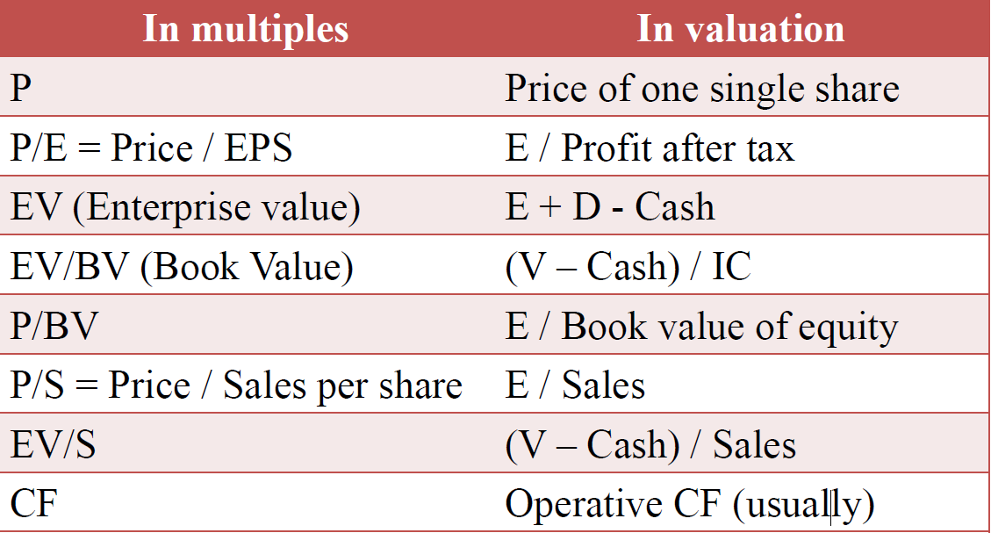
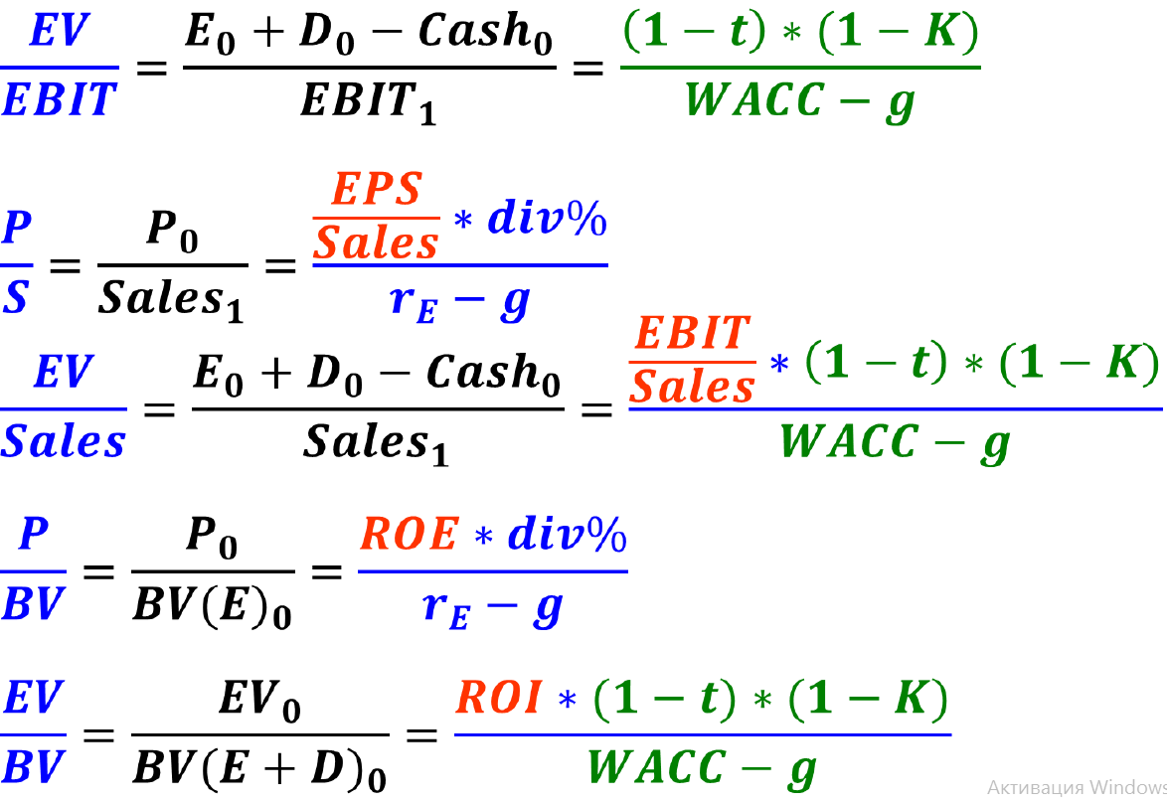
P=Price Of Swet Furniture
 |  | 2020 (000 HUF) | Holding | Manufacturing | Retail |  |  |  |  |  |  |  |  | The same CF and Profit (g, CF-generation, risk)
 |  | Invested assets | 137,000 | 12,000 | 125,000
 |  | Inventory | 48,200 | 5,200 | 43,000
 |  | Receivables | 15,200 | 1,200 | 14,000
 |  | Cash | 19,000 | 3,000 | 16,000
 |  | Short term liabilities | 19,500 | 4,500 | 15,000
 | EV/BV | Debt | 85,000 | 5,000 | 80,000 |  |  |  |  |  |  |  |  | Sales give the same profit (CF/S, g, CF-generation, risk, margin)
 | P/BV | Equity | 114,900 | 11,900 | 103,000

P/S | EV/S | Sales | 228,000 | 38,000 | 190,000
EV/EBITDA | EV/EBIT | EBIT | 44,000 | 8,000 | 36,000 |  |  |  |  |  |  |  |  | Assets generate the same profit (g, CF-generation, risk, ROI, ROIC, ROE)
 |  | Profit from financial activities | -8,000 | -500 | -7,500
 | P/PBT | Profit before tax | 36,000 | 7,500 | 28500.00 |  |  |  |  |  |  |  |  | Assets generate the same profit (g, CF-generation, risk, ROI, ROIC, ROE)
 | P/E | Profit after tax | 32,850 | 7,200 | 25650.00
 |  | Effective tax rate | 8.75% | 4.00% | 10.00%
 | P/E/g | Expected yearly growth |  | 20% | 5% |  |  |  |  |  |  | if you use multiple ratios,

 |  |  |  |  |  | Market |  |  |  |  |  | you should use the raw data, to use the same methodology to calculate the multiple
 |  | Company name | Nationality | Main activity | Forward P/E | g | Average |  |  |  |  | mean / median maybe some firms would be dropped because they are not similar enough, chnage the median/mean to a large extent
 |  | Bútor Co. | Hungarian | Furniture manufacturing | 6 | 7% | 9.6666666667 |  | Pros | Cons
 |  | Meble SA | Polish | Furniture manufacturing | 9 | 5% |  |  | Quick | Implicit assumptions |  | FOR DCF, it's easy for figure out if there is a problem with the model | you need to compare the different requirements accross companies |  | e.g. could be sales should we the same
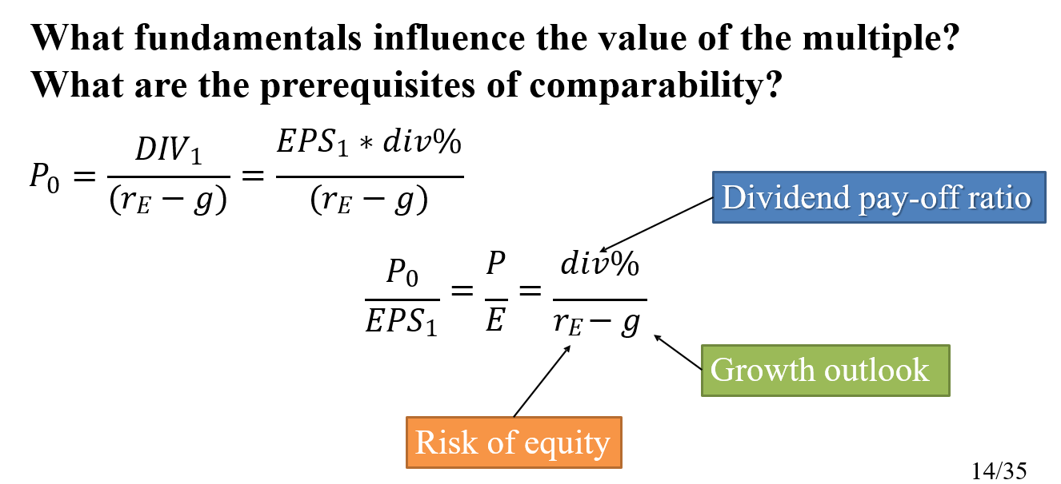
 |  | Mobile SA | Romanian | Furniture manufacturing | 14 | 21% |  |  | Simple | Quality of data
 |  | Möbel AG | German | Furniture parts manufacturing | 11.0 | 15% |  |  | Reflects the current market condition | Comparability
 |  |  |  | M&A | EV/S | g |  |  |  | Bubbles
 |  | Couch Partnership | Hungarian | Furniture retail | 3.10 | 6% | 2.85 |  |  | Any value could be justified
 |  | Otthon Ltd. | Hungarian | Furniture retail | 2.60 | 5%
 |  | Puff Co. | Hungarian | Furniture wholesale | 2.20 | 4% |  |  | Chossing the right ratio
 |  | Wohnung GmbH | Austrian | Furniture retail | 2.40 | 4% |  |  | The numerator or the denumerator should be V
 |  |  |  |  |  |  |  |  | The numerator or the denumerator should be of the same dimension (V or E)
 |  | MANUFACTURE |  |  |  |  |  |  | Same financial year, accounting standard, currency
E/PAT | P/EPS | Forward P/E | 9.6666666667 | We us this method for listed companies
 |  | P historical | 69600 |  |  |  |  |  | RECALCULATED MULTIPLES (if our peers are different)
 |  | P historical growing | 83520 | New tax, don`t double the tax, don`t use 83520! | 20% | Growth effect |  |  | Firm1 | Firm 2 | P/E av (old)
 |  | P historical growing new tax | 78300 |  | 13% | New tax effect |  | Div% | 93.07% | 80% | 15.2
 |  |  |  |  |  |  |  | g | 7.30% | 8%
 |  | RETAIL |  |  |  |  |  | r-g | 6.12%
 |  | EV/S | 2.85 | For SF we use average between f. retail |  |  |  | r-g(mod) | 5.42%
 |  | EV Historical | 541500 |  |  |  |  | P/E(mod) | 14.75
 |  | EV Expected | 568575
 |  | P | 477,500 | Price=EV-Debt+Cash
 |  | P exp | 504,575

Asset-based
 | Cost of capital
 | renting | 10% |  |  |  |  |  |  |  |  |  |  |  | Time orientation of data used
 | logistics | 12% |  |  |  |  |  |  |  |  |  | Type of value | Past | Present | Future
 | real estaate dev | 15% |  | WellBuit expects to sell CarryOn at this price |  |  |  |  |  |  |  | Entry | Purchase cost | Substitution value (repurchase, recreation) Replacement value | –
 | current exp. EBITDA | 200 |  | Current EBITDA*EV/EBITDA | 1200 |  |  |  |  |  |  | Exit | – | Net realisable value, Liquidation value | DCF, Capitalisation, Real options
 | EV/EBITDA | 6 |  | Rental fee (perpetuity) | 211.2 | C/(r-g)*(1+r) | At the beginning
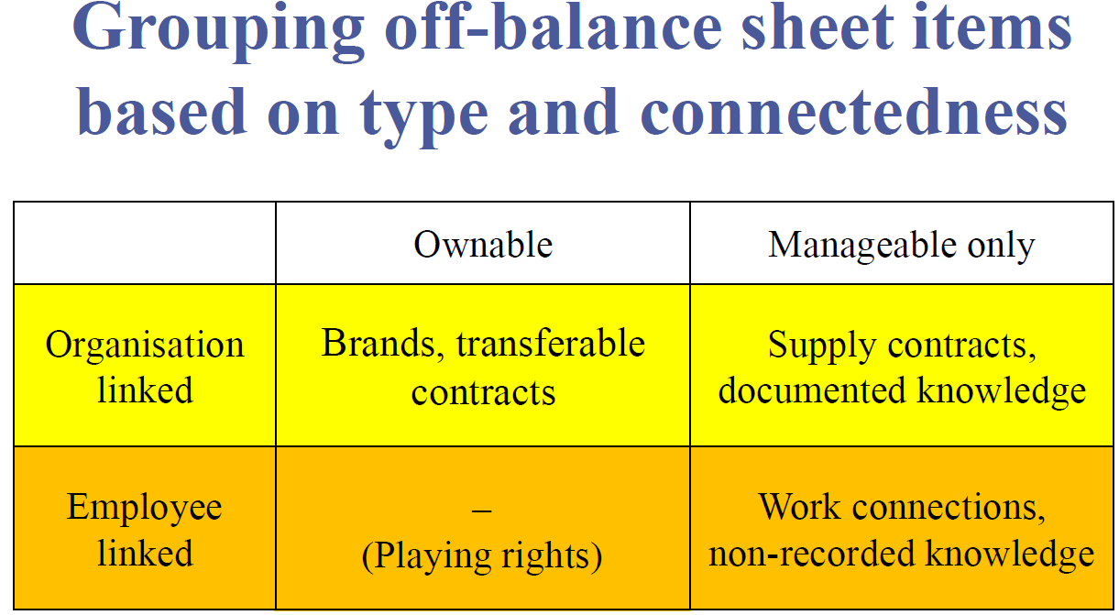
 | D | 120 |  | EV corrected | 988.8 | WellBuit expects to sell CarryOn at this price |  |  |  |  |  | The aim of asset valuation is to estimate the amount of the IC
 | Rental fee | 12 |  | Value of CarryOn that we get | 868.8 |  |  |  |  |  |  | Methods:
 | g | 5% |  | Building constraction time |  | 2 | years |  |  |  |  | Net book value
 | cost of capital | 10% |  | Total construction costs |  | 1100 |  |  |  |  |  | Replacement value
 | Book value of real estate | 30 |  |  |  |  |  |  |  |  |  | Gross book value
 | Tax | 20% |  |  |  |  |  |  |  |  |  | Market value
 |  |  |  |  |  |  |  |  |  |  |  | other

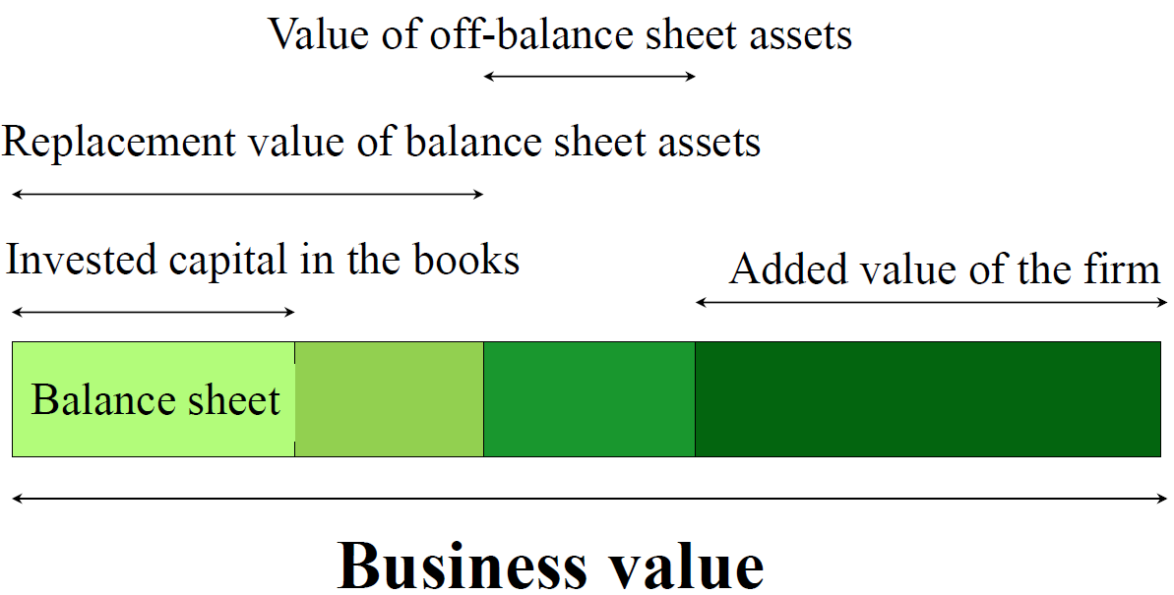
 | I. Roads, 20% of BV |  |  | II. Residuntial buildings |  |  | III. Office building
 | Land need | 20% |  | Land need | 60% |  | Value of costs
 | Price | 10 |  | Construction cost need | 60% |  | Useful lifetime | 30
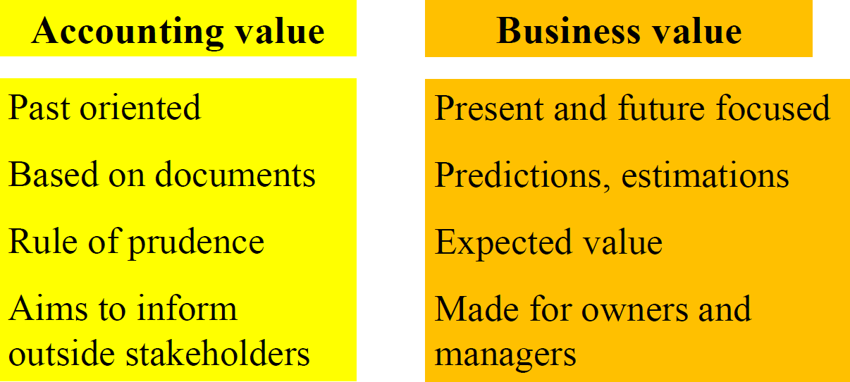
 | Other income | 10 |  | Sales Income | 1250 |  | D&A, years | 20
BV assets sold | Other expense | 6 | tax on sale | Cost of construction | 660 |  | Rential income | 60 | yearly
 | Profit | 4 |  | BV of Land | 18 |  | g | 5%
 | Tax | 0.8 |  | Profit | 572 |  | Land need | 20% | Roads 20%, Residence 60%
 | Value from roads | 9.2 |  | Tax | 114.4 |  | Construction need | 40% | Residence 60%
 |  |  |  | CF in 2 years | 475.6 |  | Cost of construction | 440
 |  |  |  | Value from resort | 359.62192817 |  | D&A | 22 | tax | 88
 |  |  |  |  |  |  | Construction cost CF | -266.16257089
 |  |  |  |  |  |  | Value of income |  | in 2 years | including tax
 | TOTAL VALUE of CarryOn |  |  |  | PV CF (Rent - Tax) | 867.26957934 | Income without tax | 48
 | 1600.499 |  |  |  |  |  | Income (Annuity) | 794.44541619 | Growing annuity pre-paid, we use 30 years, as it wil serve for 30 years
 |  |  |  |  |  |  | Profit | 38 | [C/(r-g)*(1-(1+g)^n/(1+r)^n)]*(1+r)
 |  |  |  |  |  |  | Tax | 7.6 | Use for assets, not property!
 |  |  |  |  |  |  | CF | 52.4 |  |  | 1+r is for pre-paid
 |  |  |  |  |  |  | Tax shield | 4.4
 |  |  |  |  |  |  | Non-g annuity | 37.5 | Use accounting life, as we pay taxes based from P/L where D&A for 20 years
 |  |  |  |  |  |  | CF of renting | 831.9
 |  |  |  |  |  |  | PV CF of Income | 629.0
 |  |  |  |  |  |  | Value from renting | 362.9

MandA
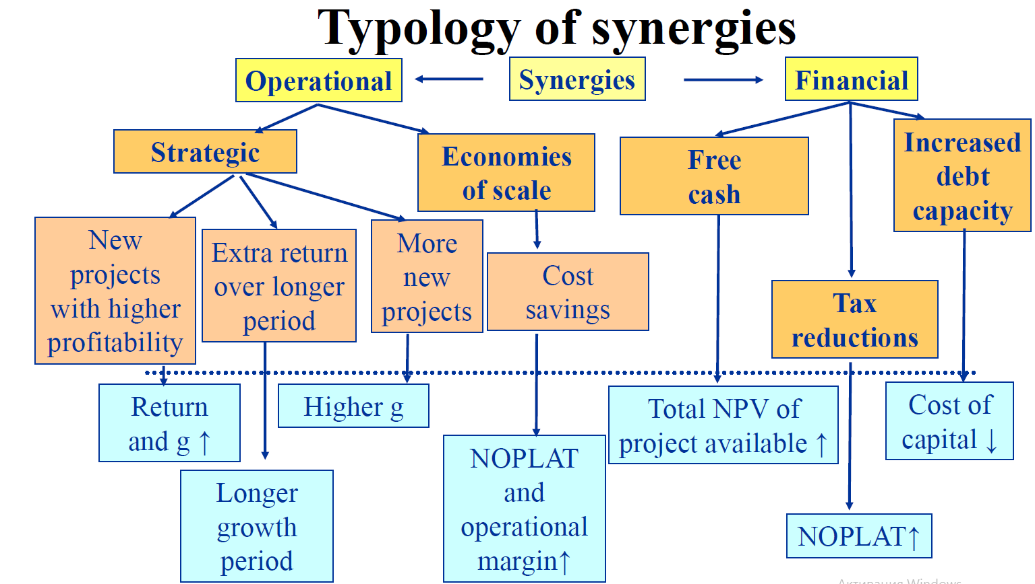
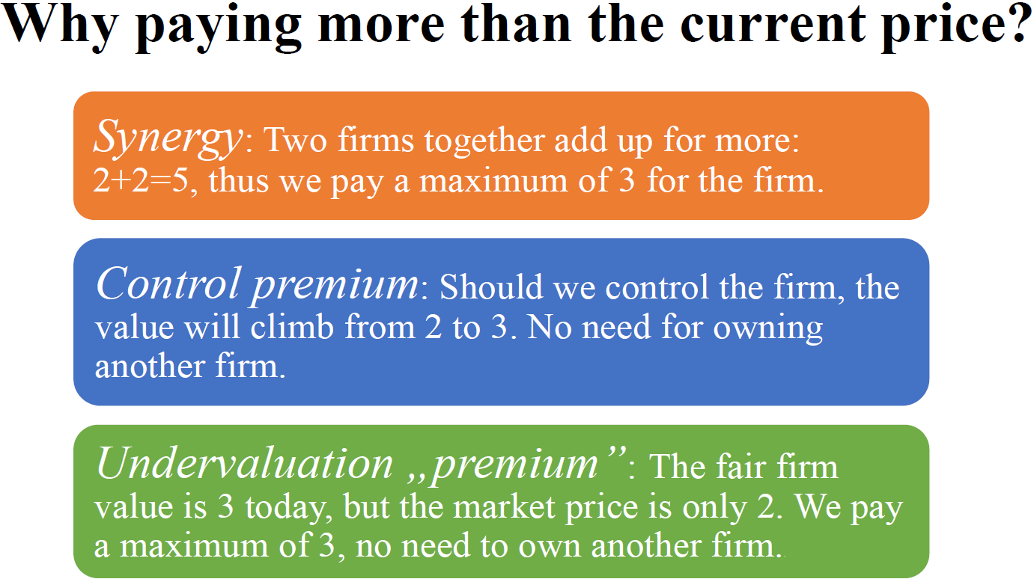
Value of Firm 1 | 2022 | 2023 | 2024 | 2025 | 2026
D | 144.46 | 152.57 | 160.13 | 168.18 | 176.59
V | 481.55 | 508.55 | 533.76 | 560.60 | 588.63
E | 337.08 | 355.99 | 373.63 | 392.42 | 412.04
1 is a seller,2 is a buyer

If 1 & 2 Merge |  |  | If 1 & 2 Don`t Merge
Fitm 2 Value from merger | 1928.28 |  | Firm 2 on its own | 1735.45
Value from PPE sales | 19.00 |  | Firm 1 on its own | 481.55
Fitm 1 Value from merger | 485.49 |  | Not-merged value | 2217.00
Add Inv. project Value | 60.00 |  | D boy | 1465.13
Total Merger Value | 2492.77 |  | E boy | 751.87
D boy | 1604.67
E boy | 888.09

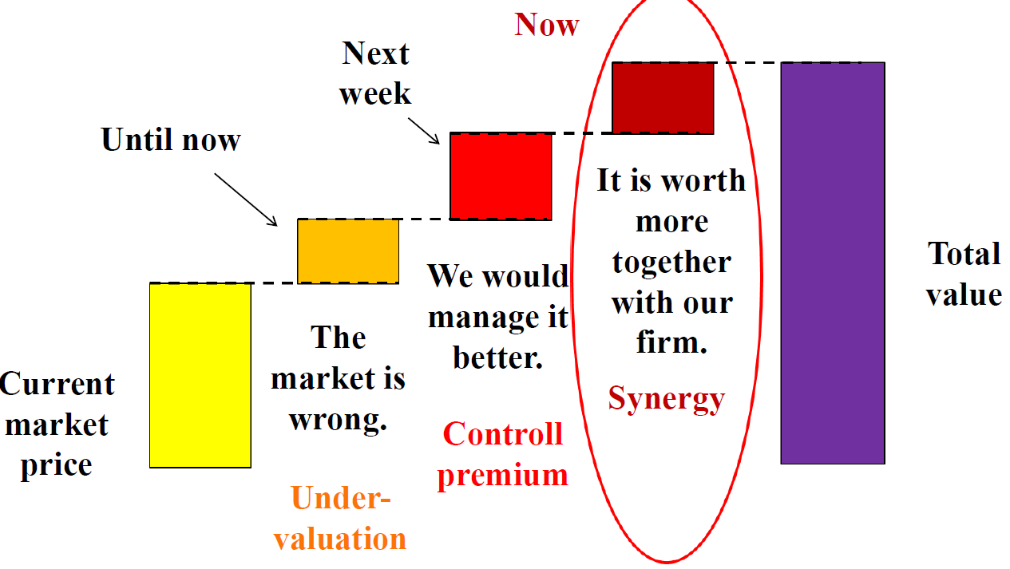
 | Synegry | 275.76
Before transaction | E min | 337.08 | for seller | Transaction cost | 3
 | E max | 612.85 | for buyer | Transaction cost | 6
After transaction | Price min | 340.08 |  |  |  | Doubtful synergies be like:
 | Price max | 606.85 |  |  |  | EPS growth, this is not value focused approach
Price range | 266.76 | Result: | Do merge |  |  | Faster growth - it is of no value alone. We need to revie: WACC<>ROIC, RONIC, Premium<>Synergy
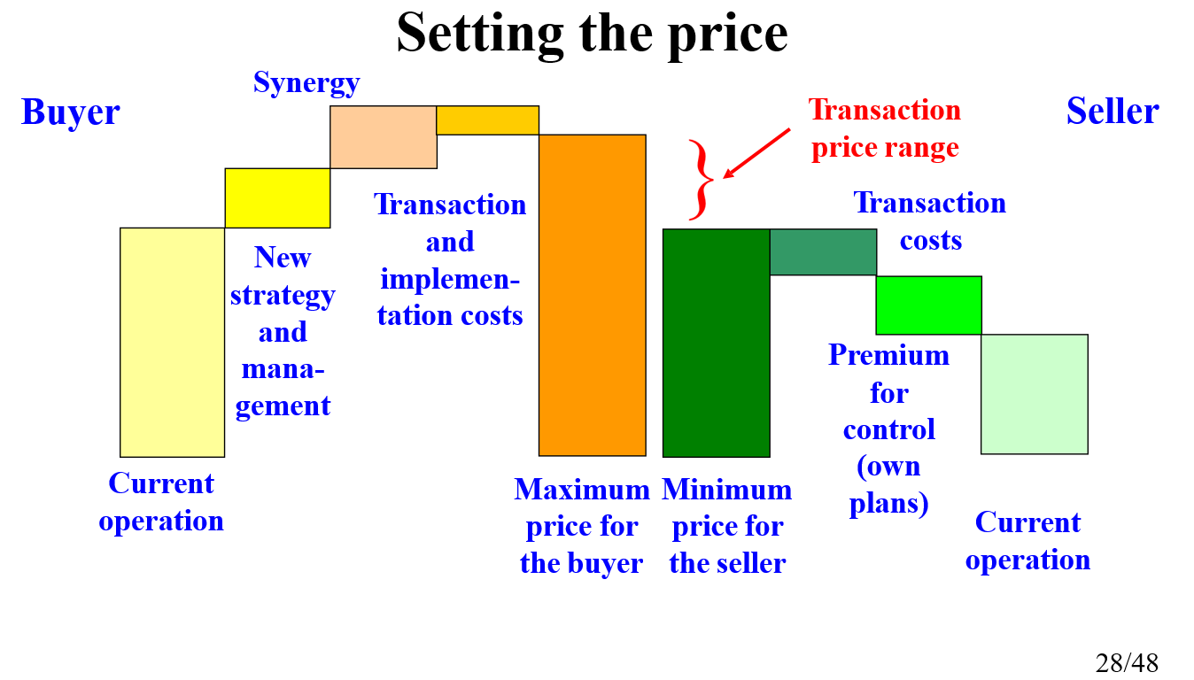

synergy passed over | 35%
E actual | 436.60
Cash | 218.30 | No change in V as it is a non-opertaional asset
Ownership | 218.30
% Ownership | 24.6%
Number shares initialy | 500
Old owner % | 75.42%
Number of shares for new owner | 162.96

Stakes
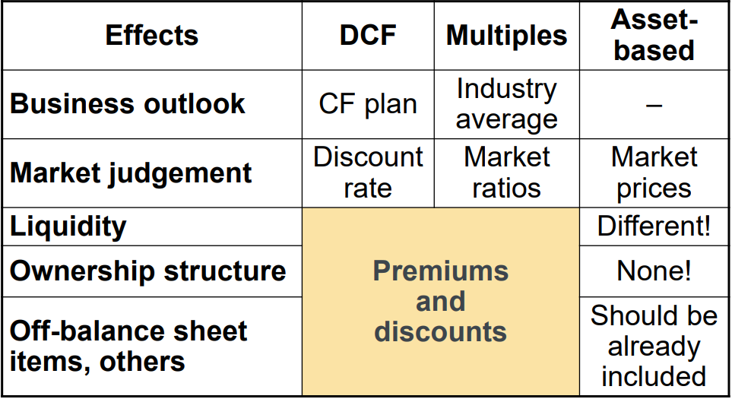
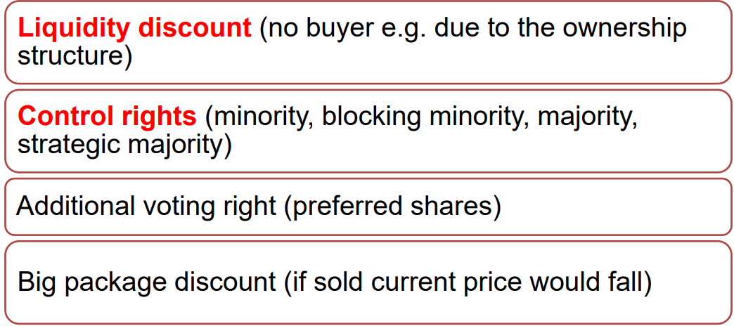
Unlevered cost of capital |  | Rainbow os owed by 5 people, so |  |  | V of Rainbow | 824.85
Sanitary equipment | 13% | Owner 1 | 20% | Retires, sells the share
Hospitality | 11% | Owner 2 | 20% | Owner 2 | 25% | +1
Entertaiment | 12% | Owner 3 | 20% | Owner 3 | 25% | +1
rF | 4% | Owner 4 | 20% | Owner 4 | 25% | +1
Tax Rate | 10% | Owner 5 | 20% | Owner 5 | 25% | +1

Golden Bath Co. |  | Red Pepper Ltd. |  |  | BlueMotion Co.
FCFF | 400 | Sales | 250 |  | IC (only assets) | 30
g | 4% | Dividend=FCFE | 50 |  | FCFE, yearly | 15 | perpetuity
Stake for CEO | 47% | g | 3% |  | g | 5%
Stake for Prod | 47% | Dividend | 50 |  | No debt =>
Stake for Rainbow | 6% | Debt | 500 |  | D/V | 0% |  |  | Private firms
No info on Debt => |  | rD | 6% |  | t | 5 | 10 |  | For private firms, control may have a significant value as usually management would only change if ownership changes.
D/V | 0% | Stake of CEO | 10% |  | FCFE | 59.100764138 |  |  | Minority discount depends on the ratio of the optimal and the current equity value
V | 4444.44 | Stake of R | 5% |  | 25% | 3 | 59.10 | 3 cinemas for 5 more years | Current equity value | 100
E | 4444.44 | Stake of Chef | 85% |  | 25% | 2 | 39.40 | 2 cinemas for 5 more years | Optimal equity value | 150
Rainbow gets | 266.67 | Price/S | 5.00 |  | 25% | 1 | 19.70 | 1 cinema for 5 more years, no point in running the firm | Optimal value 49,9% | 74.85
Price in 1 year | 110 | Price | 1250 |  | 25% | 0 | 30.00 | IC/Liqudation | Current value 49,9% | 49.9
Price now | 105.76923077 | EV | 750 |  | Exp V in 5 years | 39.63 | 6 to 10 years |  | Minority discount | 33%
 |  | Rainbow gets | 637.5 | We sell with offered price | PV of years 6-10 | 22.48
 |  | E | 312.5 |  | V=E | 81.58523396 |  |  | Public firms
 |  | V | 812.5 |  |  |  |  |  | Market value = current value + probability in change of control * (optimal value – current value)
 |  | rE | 19% |  |  |  |  |  |  |  |  | We could do it better,
 |  | D/V | 61.54% | We change this cell |  |  |  |  |  |  | but it is not for sure that we may.
 |  | D/V | 61.54%
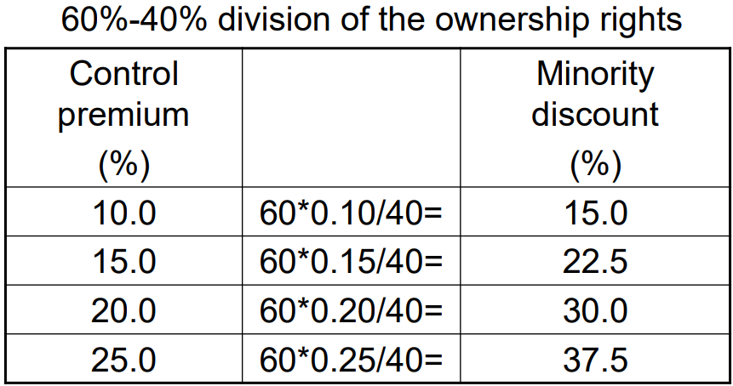
 |  | diff | 0% | This is 0

